Sheet1
 |  |  | Probability and Statistics
 |  |  | DAV COLLEGE
 |  |  | DESIGN OF EXPERIMENT
 |  |  | Practical no:5
Roll no:16 |  |  |  |  |  | Date: 2079-09-20

Question: The yields of treatments in different plots are shown in the following plots:
 | Carry Out analysis of two-way ANOVA or RBD.

 | Block1 | Block2 | Block3 | Block4 | Block5
 | A 32 | B 33 | D 30 | A 35 | C 36
 | B 34 | C 34 | C 35 | C 32 | D 29
 | C 31 | A34 | B 36 | B 37 | A 37
 | D 29 | D26 | A 33 | D 28 | B 35

CaLculation here,
Using Excel:

 | Treatment | Block 1 | Block2 | Block 3 | Block 4 | Block 5
 | A | 32 | 34 | 33 | 35 | 37
 | B | 34 | 33 | 36 | 37 | 35
 | C | 31 | 34 | 35 | 32 | 36
 | D | 29 | 26 | 30 | 28 | 29

 | Anova: Two-Factor Without Replication

 | SUMMARY | Count | Sum | Average | Variance
 | Row 1 | 5 | 171 | 34.2 | 3.7
 | Row 2 | 5 | 175 | 35 | 2.5
 | Row 3 | 5 | 168 | 33.6 | 4.3
 | Row 4 | 5 | 142 | 28.4 | 2.3

 | Column 1 | 4 | 126 | 31.5 | 4.3333333333
 | Column 2 | 4 | 127 | 31.75 | 14.916666667
 | Column 3 | 4 | 134 | 33.5 | 7
 | Column 4 | 4 | 132 | 33 | 15.333333333
 | Column 5 | 4 | 137 | 34.25 | 12.916666667

 | ANOVA
 | Source of Variation | SS | df | MS | F | P-value | F crit
 | Due to Treatment | 134 | 3 | 44.666666667 | 18.169491525 | 9.301677296E-05 | 3.4902948195
 | Due to Blocks | 21.7 | 4 | 5.425 | 2.206779661 | 0.12962227866 | 3.2591667269
 | Due to Error | 29.5 | 12 | 2.4583333333

 | Total | 185.2 | 19

 | When all sample mean is same ,performnce of all the samples are similar.
 | when atleast one sample is different , mean is different.

 | When all block mean is same ,performnce of all the blocks are similar.
 | when atleast one block is different , mean is different.

 | Test Statistic: Under H0 test statistic is : Ft=18.16949, FB=2.20678
 | Critical value: The tabulated value of F are : F0.05(3,6)=3.490295, |  |  |  |  | F0.05(2,6)=3.259167
 | Decision :
 | For Treatment: It is rejected H0
 | For Block: It is accepted H0

Using SPSS:
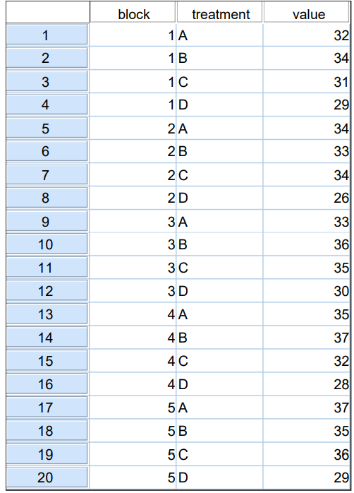

 | Data Syntax For Two-Way ANOVA:
 |  |  | DATASET ACTIVATE DataSet0.
 |  |  | UNIANOVA value BY block treatment
 |  |  | /METHOD=SSTYPE(3)
 |  |  | /INTERCEPT=INCLUDE
 |  |  | /POSTHOC=block treatment(LSD)
 |  |  | /CRITERIA=ALPHA(0.05)
 |  |  | /DESIGN=block treatment.

Using SPSS : Two-Way ANOVA:
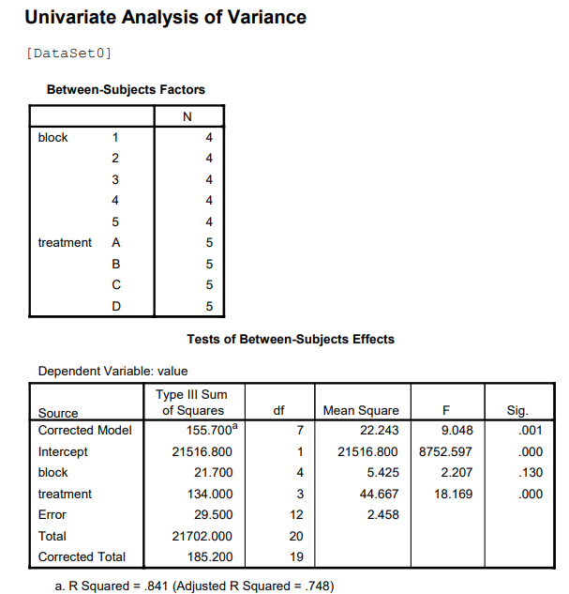

 | Post Hoc test
 | Block | Multiple Comparisons:
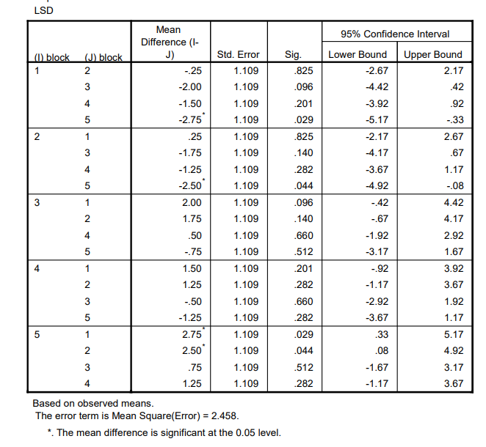

 | Homogenous subsets
 | treatment
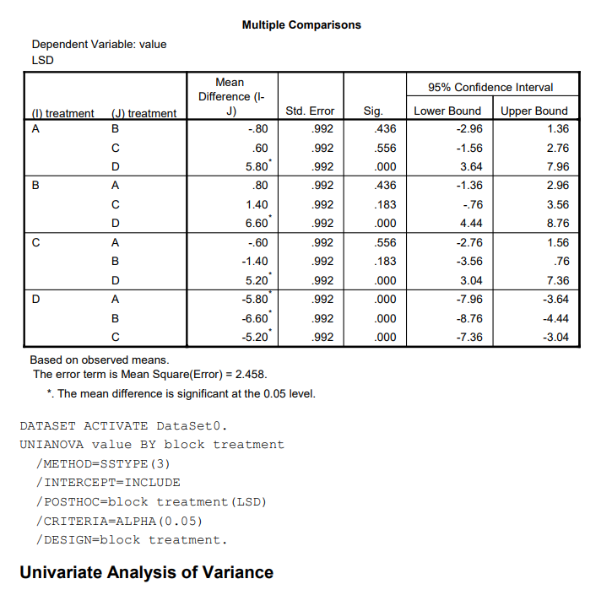

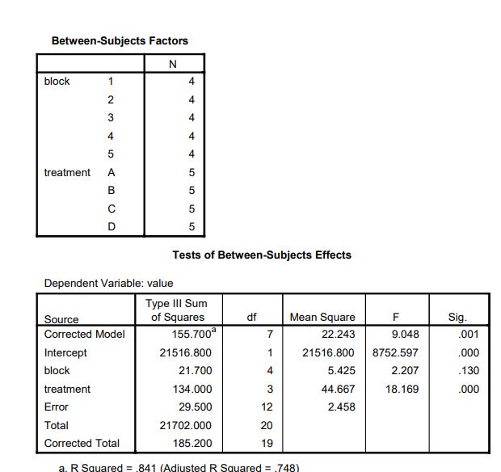

 | Post Hoc Tests

 | Block:
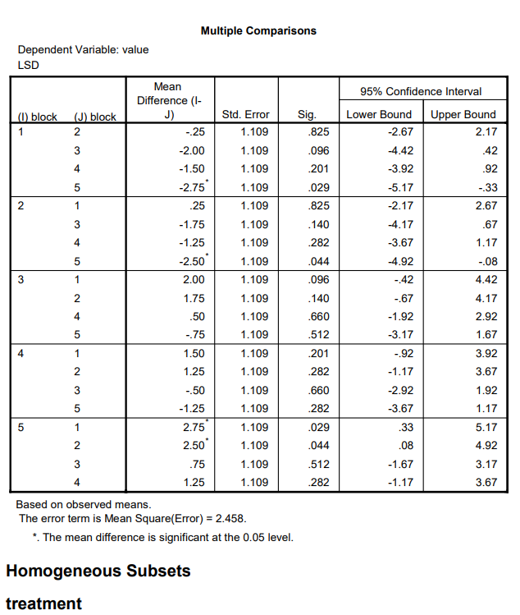

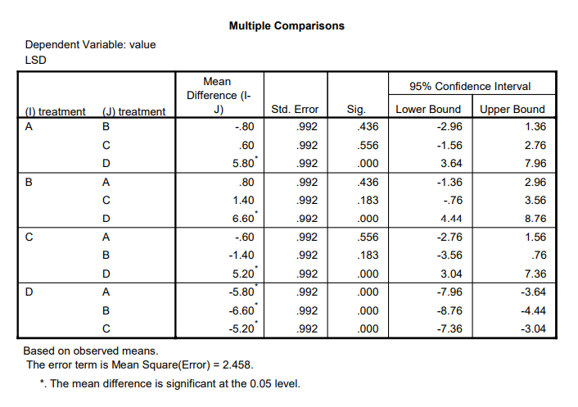

Done By : Nischal Shakya.

Sheet2
 |  |  | PROBABILITY AND STATISTICS
 |  |  | DAV COLLEGE
 |  |  | BINOMIAL DISTRIBUTION
 |  |  | PRACTICAL NO: 6
ROLL NO: 16 |  |  |  | Date: 2079-09-21

 | Fit the Binomial distribution of the following observation:
 | Also find i. P(x<3) ii. P(x<= 3) iii P(x=3) iv P(x>3) v P(x>=3)

 |  | x | f
 |  | 0 | 5
 |  | 1 | 25
 |  | 2 | 35
 |  | 3 | 48
 |  | 4 | 65
 |  | 5 | 41
 |  | 6 | 28
 |  | 7 | 9
 |  | 8 | 4

Calculation here,

 | x | f | fx | p(X=x)
 | 0 | 5 | 0 | =BINOMDIST(C10,$C$22,$C$24,FALSE)
 | 1 | 25 | 25 | 0.046717106017
 | 2 | 35 | 70 | 0.14206113685
 | 3 | 48 | 144 | 0.24685196646
 | 4 | 65 | 260 | 0.26808833285
 | 5 | 41 | 205 | 0.18633704788
 | 6 | 28 | 168 | 0.080946956559
 | 7 | 9 | 63 | 0.020093879346
 | 8 | 4 | 32 | 0.0021822530691
Sum |  | 260 | 967 | 1

 |  |  | Formula
 |  | N | '=SUM(D52:D61)
 |  | n | 8
 |  | Mean | 3.7192307692
 |  | p | 0.46490384615
 |  | p(X<3) | 0.19549956384
 |  | P(X<=3) | 0.4423515303
 |  | p(x=3) | 0.24685196646
 |  | p(x>3) | 0.5576484697
 |  | P(X>=3) | FALSE
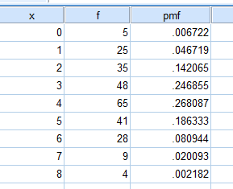
USING SPSS:

DONE BY:NISCHAL SHAKYA

